Sheet1
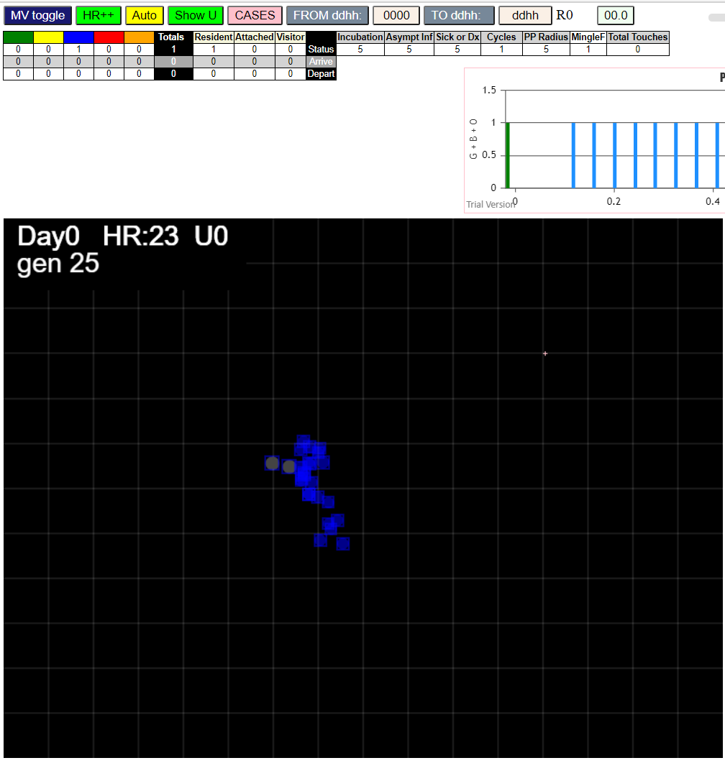
simulation.js:4356 exit covidSim
simulation.js:23 getAsText File {name: "VLPopOne.csv", lastModified: 1605826712000, lastModifiedDate: Thu Nov 19 2020 14:58:32 GMT-0800 (Pacific Standard Time), webkitRelativePath: "", size: 70, …}
simulation.js:32 File {name: "VLPopOne.csv", lastModified: 1605826712000, lastModifiedDate: Thu Nov 19 2020 14:58:32 GMT-0800 (Pacific Standard Time), webkitRelativePath: "", size: 70, …}
simulation.js:23 getAsText File {name: "VLone-one.csv", lastModified: 1605826752000, lastModifiedDate: Thu Nov 19 2020 14:59:12 GMT-0800 (Pacific Standard Time), webkitRelativePath: "", size: 65, …}
simulation.js:32 File {name: "VLone-one.csv", lastModified: 1605826752000, lastModifiedDate: Thu Nov 19 2020 14:59:12 GMT-0800 (Pacific Standard Time), webkitRelativePath: "", size: 65, …}
simulation.js:2520 from inject(x,y)
simulation.js:1633 HzR 7.61 gen 0 x 299.00 y 272.00 footp 177 sects 2
simulation.js:1633 HzR 7.61 gen 0 x 318.02 y 275.80 footp 353 sects 2
simulation.js:1633 HzR 6.33 gen 3 x 333.83 y 282.13 footp 486 sects 2
simulation.js:1633 HzR 6.36 gen 4 x 330.65 y 256.70 footp 619 sects 2
simulation.js:1633 HzR 6.32 gen 5 x 333.81 y 247.22 footp 720 sects 3
simulation.js:1633 HzR 6.61 gen 6 x 340.42 y 253.83 footp 806 sects 3
simulation.js:1633 HzR 6.15 gen 7 x 349.65 y 259.98 footp 905 sects 4
simulation.js:1633 HzR 6.40 gen 8 x 330.44 y 276.00 footp 978 sects 4
simulation.js:1633 HzR 6.49 gen 9 x 340.17 y 272.75 footp 1080 sects 4
simulation.js:1633 HzR 6.22 gen 10 x 330.84 y 291.41 footp 1165 sects 4
simulation.js:1633 HzR 6.51 gen 11 x 334.10 y 284.90 footp 1171 sects 4
simulation.js:1633 HzR 6.37 gen 12 x 330.91 y 288.08 footp 1179 sects 4
simulation.js:1633 HzR 6.95 gen 13 x 355.26 y 270.70 footp 1320 sects 4
simulation.js:1633 HzR 6.11 gen 14 x 352.20 y 255.42 footp 1374 sects 5
simulation.js:1633 HzR 6.27 gen 15 x 339.66 y 271.10 footp 1386 sects 5
simulation.js:1633 HzR 6.34 gen 16 x 342.83 y 293.30 footp 1495 sects 6
simulation.js:1633 HzR 6.51 gen 17 x 339.58 y 306.31 footp 1628 sects 6
simulation.js:1633 HzR 6.49 gen 18 x 349.32 y 309.55 footp 1737 sects 7
simulation.js:1633 HzR 6.42 gen 19 x 339.68 y 306.34 footp 1737 sects 7
simulation.js:1633 HzR 6.22 gen 20 x 361.46 y 315.67 footp 1845 sects 7
simulation.js:1633 HzR 6.54 gen 21 x 371.27 y 335.30 footp 1978 sects 7
simulation.js:1633 HzR 6.36 gen 22 x 352.19 y 357.57 footp 2110 sects 9
simulation.js:1633 HzR 6.16 gen 23 x 361.43 y 339.09 footp 2209 sects 9
simulation.js:1633 HzR 6.20 gen 24 x 364.53 y 345.29 footp 2273 sects 9
simulation.js:1633 HzR 6.40 gen 25 x 377.33 y 361.29 footp 2406 sects 9
simulation.js:1633 HzR 6.72 gen 26 x 380.69 y 374.74 footp 2538 sects 9
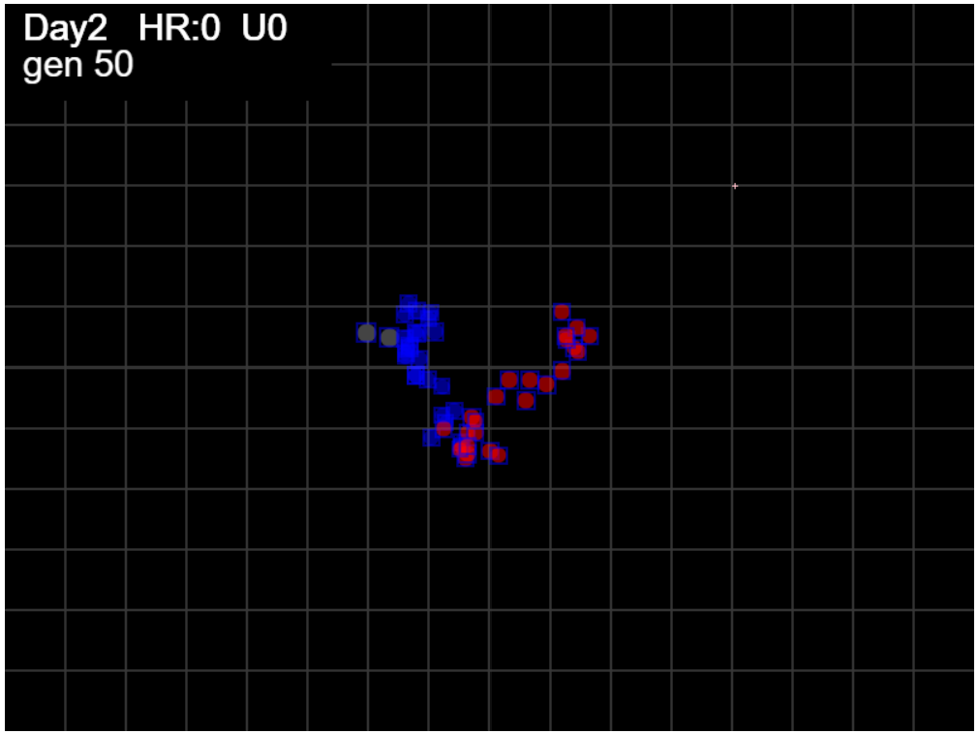
simulation.js:1633 HzR 6.14 gen 27 x 377.63 y 365.54 footp 2545 sects 9
simulation.js:1633 HzR 6.59 gen 28 x 400.70 y 368.83 footp 2678 sects 10
simulation.js:1633 HzR 6.31 gen 29 x 407.00 y 371.99 footp 2769 sects 10
simulation.js:1633 HzR 6.21 gen 30 x 382.18 y 353.37 footp 2856 sects 10
simulation.js:1633 HzR 6.53 gen 31 x 362.59 y 350.11 footp 2913 sects 10
simulation.js:1633 HzR 6.63 gen 32 x 389.11 y 353.42 footp 2988 sects 10
simulation.js:1633 HzR 6.88 gen 33 x 382.23 y 370.63 footp 3019 sects 10
simulation.js:1633 HzR 6.24 gen 34 x 375.99 y 367.51 footp 3033 sects 10
simulation.js:1633 HzR 6.28 gen 35 x 382.27 y 364.37 footp 3049 sects 10
simulation.js:1633 HzR 6.76 gen 36 x 385.65 y 340.71 footp 3192 sects 10
simulation.js:1633 HzR 6.13 gen 37 x 388.71 y 343.77 footp 3206 sects 10
simulation.js:1633 HzR 6.64 gen 38 x 405.32 y 323.84 footp 3339 sects 11
simulation.js:1633 HzR 7.07 gen 39 x 415.92 y 309.71 footp 3493 sects 11
simulation.js:1633 HzR 6.84 gen 40 x 429.60 y 326.82 footp 3647 sects 11
simulation.js:1633 HzR 6.75 gen 41 x 432.98 y 309.94 footp 3801 sects 11
simulation.js:1633 HzR 6.76 gen 42 x 446.49 y 313.32 footp 3954 sects 12
simulation.js:1633 HzR 6.73 gen 43 x 459.96 y 303.22 footp 4086 sects 13
simulation.js:1633 HzR 6.40 gen 44 x 469.56 y 284.02 footp 4218 sects 13
simulation.js:1633 HzR 6.54 gen 45 x 472.83 y 287.29 footp 4273 sects 13
simulation.js:1633 HzR 6.52 gen 46 x 463.05 y 277.51 footp 4372 sects 13
simulation.js:1633 HzR 6.41 gen 47 x 482.27 y 274.31 footp 4505 sects 13
simulation.js:1633 HzR 6.75 gen 48 x 472.15 y 267.56 footp 4617 sects 13
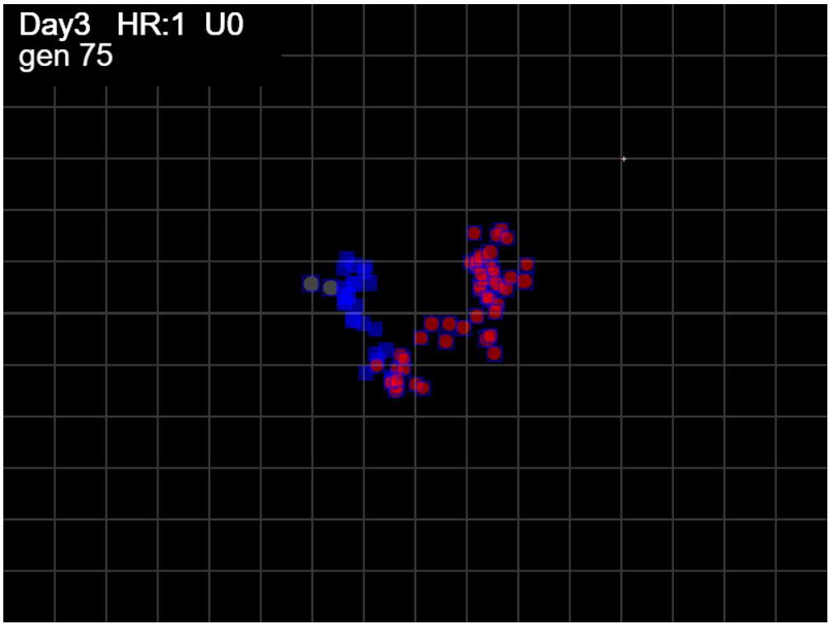
simulation.js:1633 HzR 6.39 gen 49 x 462.56 y 273.95 footp 4646 sects 13
simulation.js:1633 HzR 6.49 gen 50 x 459.32 y 254.48 footp 4778 sects 14
simulation.js:1633 HzR 6.28 gen 51 x 475.02 y 257.63 footp 4890 sects 14
simulation.js:1633 HzR 6.25 gen 52 x 459.40 y 254.50 footp 4890 sects 14
simulation.js:1633 HzR 6.20 gen 53 x 453.20 y 251.40 footp 4961 sects 16
simulation.js:1633 HzR 6.24 gen 54 x 471.92 y 254.52 footp 5010 sects 16
simulation.js:1633 HzR 6.68 gen 55 x 475.26 y 261.20 footp 5023 sects 16
simulation.js:1633 HzR 6.84 gen 56 x 478.68 y 271.46 footp 5045 sects 16
simulation.js:1633 HzR 6.11 gen 57 x 466.46 y 268.41 footp 5068 sects 16
simulation.js:1633 HzR 6.31 gen 58 x 463.30 y 262.10 footp 5091 sects 16
simulation.js:1633 HzR 6.57 gen 59 x 460.02 y 248.96 footp 5138 sects 16
simulation.js:1633 HzR 7.04 gen 60 x 463.54 y 245.44 footp 5206 sects 16
simulation.js:1633 HzR 6.50 gen 61 x 457.04 y 222.68 footp 5338 sects 16
simulation.js:1633 HzR 6.64 gen 62 x 483.58 y 219.37 footp 5471 sects 16
simulation.js:1633 HzR 7.25 gen 63 x 472.70 y 241.13 footp 5590 sects 16
simulation.js:1633 HzR 6.74 gen 64 x 479.44 y 224.27 footp 5667 sects 16
simulation.js:1633 HzR 6.33 gen 65 x 488.93 y 227.44 footp 5760 sects 16
simulation.js:1633 HzR 6.36 gen 66 x 508.00 y 252.87 footp 5893 sects 18
simulation.js:1633 HzR 6.76 gen 67 x 487.74 y 276.52 footp 5978 sects 18
simulation.js:1633 HzR 7.30 gen 68 x 505.99 y 269.22 footp 6154 sects 18
simulation.js:1633 HzR 6.60 gen 69 x 492.79 y 265.92 footp 6268 sects 18
simulation.js:1633 HzR 6.49 gen 70 x 479.82 y 291.86 footp 6359 sects 18
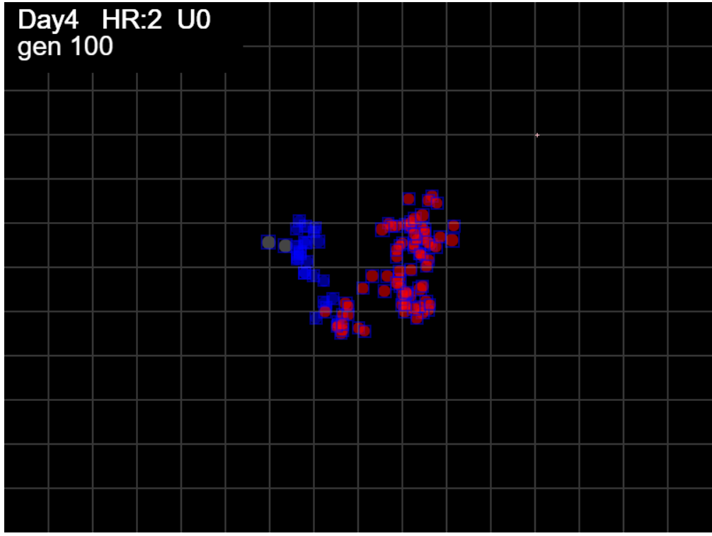
simulation.js:1633 HzR 6.20 gen 71 x 470.52 y 285.67 footp 6359 sects 18
simulation.js:1633 HzR 6.65 gen 72 x 477.17 y 298.97 footp 6436 sects 18
simulation.js:1633 HzR 7.37 gen 73 x 469.80 y 324.77 footp 6613 sects 18
simulation.js:1633 HzR 6.68 gen 74 x 473.14 y 321.43 footp 6651 sects 18
simulation.js:1633 HzR 6.79 gen 75 x 476.54 y 338.42 footp 6805 sects 18
simulation.js:1633 HzR 6.36 gen 76 x 479.72 y 347.95 footp 6903 sects 19
simulation.js:1633 HzR 6.99 gen 77 x 472.72 y 351.45 footp 6992 sects 19
simulation.js:1633 HzR 6.65 gen 78 x 469.40 y 344.80 footp 7041 sects 19
simulation.js:1633 HzR 6.53 gen 79 x 466.13 y 357.86 footp 7135 sects 19
simulation.js:1633 HzR 6.15 gen 80 x 481.52 y 342.47 footp 7154 sects 19
simulation.js:1633 HzR 6.48 gen 81 x 458.85 y 332.75 footp 7271 sects 19
simulation.js:1633 HzR 6.14 gen 82 x 455.77 y 329.68 footp 7306 sects 19
simulation.js:1633 HzR 6.38 gen 83 x 452.58 y 339.25 footp 7401 sects 19
simulation.js:1633 HzR 6.56 gen 84 x 449.31 y 342.53 footp 7455 sects 19
simulation.js:1633 HzR 7.12 gen 85 x 452.86 y 349.64 footp 7555 sects 19
simulation.js:1633 HzR 6.76 gen 86 x 463.01 y 346.26 footp 7583 sects 19
simulation.js:1633 HzR 6.18 gen 87 x 453.74 y 343.18 footp 7584 sects 19
simulation.js:1633 HzR 6.15 gen 88 x 447.59 y 321.66 footp 7640 sects 19
simulation.js:1633 HzR 6.37 gen 89 x 450.78 y 331.21 footp 7669 sects 19
simulation.js:1633 HzR 6.43 gen 90 x 453.99 y 328.00 footp 7681 sects 19
simulation.js:1633 HzR 6.85 gen 91 x 443.71 y 317.72 footp 7703 sects 19
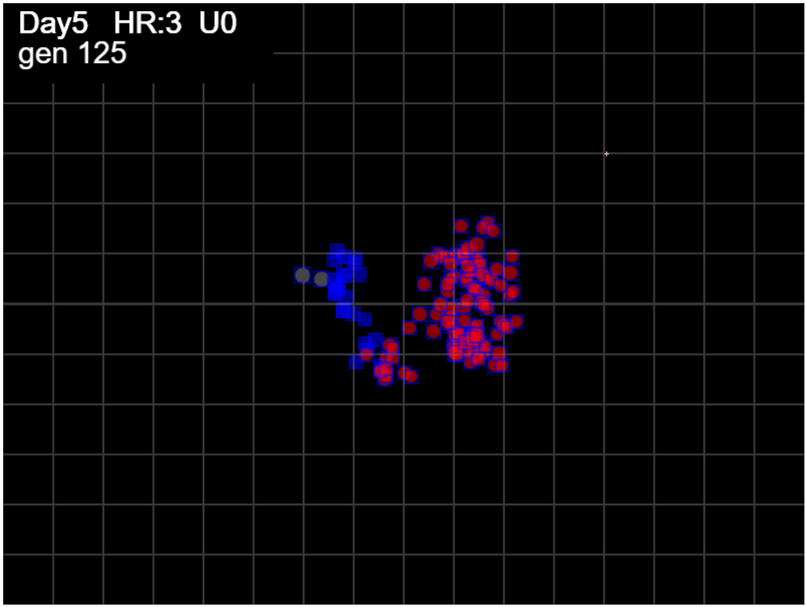
simulation.js:1633 HzR 6.71 gen 92 x 447.06 y 304.30 footp 7795 sects 19
simulation.js:1633 HzR 6.49 gen 93 x 443.82 y 288.07 footp 7928 sects 19
simulation.js:1633 HzR 6.25 gen 94 x 450.07 y 272.45 footp 8052 sects 19
simulation.js:1633 HzR 6.12 gen 95 x 447.01 y 275.51 footp 8094 sects 19
simulation.js:1633 HzR 6.40 gen 96 x 443.81 y 253.09 footp 8203 sects 19
simulation.js:1633 HzR 6.17 gen 97 x 434.55 y 250.01 footp 8295 sects 19
simulation.js:1633 HzR 6.68 gen 98 x 437.89 y 253.35 footp 8314 sects 19
simulation.js:1633 HzR 7.26 gen 99 x 427.01 y 256.98 footp 8445 sects 19
simulation.js:1633 HzR 6.64 gen 100 x 443.60 y 280.20 footp 8478 sects 19
simulation.js:1633 HzR 6.45 gen 101 x 446.82 y 260.85 footp 8549 sects 19
simulation.js:1633 HzR 6.66 gen 102 x 420.17 y 280.84 footp 8682 sects 19
simulation.js:1633 HzR 6.52 gen 103 x 436.48 y 300.40 footp 8757 sects 19
simulation.js:1633 HzR 6.74 gen 104 x 463.45 y 297.03 footp 8826 sects 19
simulation.js:1633 HzR 6.40 gen 105 x 460.25 y 316.22 footp 8928 sects 19
simulation.js:1633 HzR 6.82 gen 106 x 470.48 y 329.86 footp 8950 sects 19
simulation.js:1633 HzR 6.75 gen 107 x 467.11 y 333.23 footp 8954 sects 19
simulation.js:1633 HzR 7.67 gen 108 x 451.76 y 348.58 footp 8965 sects 19
simulation.js:1633 HzR 6.96 gen 109 x 462.21 y 338.13 footp 8968 sects 19
simulation.js:1633 HzR 7.34 gen 110 x 491.56 y 360.15 footp 9141 sects 19
simulation.js:1633 HzR 7.29 gen 111 x 469.68 y 334.62 footp 9141 sects 19
simulation.js:1633 HzR 7.10 gen 112 x 473.23 y 331.08 footp 9151 sects 19
simulation.js:1633 HzR 7.16 gen 113 x 494.72 y 348.98 footp 9279 sects 21
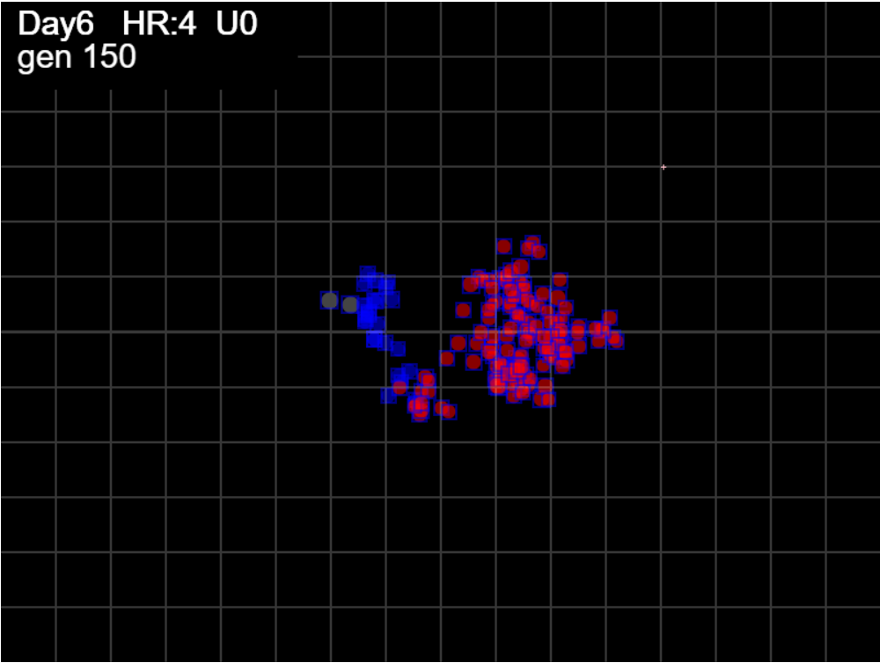
simulation.js:1633 HzR 6.21 gen 114 x 497.82 y 361.40 footp 9323 sects 21
simulation.js:1633 HzR 6.65 gen 115 x 474.55 y 354.75 footp 9345 sects 21
simulation.js:1633 HzR 6.18 gen 116 x 493.09 y 330.02 footp 9458 sects 21
simulation.js:1633 HzR 6.45 gen 117 x 483.42 y 304.22 footp 9552 sects 21
simulation.js:1633 HzR 6.21 gen 118 x 480.31 y 301.12 footp 9557 sects 21
simulation.js:1633 HzR 6.47 gen 119 x 496.48 y 317.29 footp 9689 sects 21
simulation.js:1633 HzR 6.30 gen 120 x 499.63 y 320.44 footp 9730 sects 21
simulation.js:1633 HzR 6.25 gen 121 x 502.75 y 323.56 footp 9769 sects 21
simulation.js:1633 HzR 6.32 gen 122 x 512.23 y 317.24 footp 9885 sects 21
simulation.js:1633 HzR 6.48 gen 123 x 505.75 y 291.32 footp 10018 sects 21
simulation.js:1633 HzR 6.44 gen 124 x 508.97 y 288.10 footp 10080 sects 21
simulation.js:1633 HzR 6.13 gen 125 x 496.71 y 281.96 footp 10155 sects 21
simulation.js:1633 HzR 6.67 gen 126 x 513.38 y 278.63 footp 10239 sects 21
simulation.js:1633 HzR 6.71 gen 127 x 510.03 y 305.49 footp 10364 sects 21
simulation.js:1633 HzR 6.92 gen 128 x 499.64 y 291.64 footp 10422 sects 21
simulation.js:1633 HzR 6.77 gen 129 x 506.42 y 301.80 footp 10456 sects 21
simulation.js:1633 HzR 6.53 gen 130 x 486.83 y 295.27 footp 10515 sects 21
simulation.js:1633 HzR 6.41 gen 131 x 509.25 y 298.48 footp 10521 sects 21
simulation.js:1633 HzR 6.44 gen 132 x 525.35 y 295.26 footp 10654 sects 21
simulation.js:1633 HzR 6.18 gen 133 x 547.00 y 298.35 footp 10767 sects 23
simulation.js:1633 HzR 6.42 gen 134 x 559.84 y 307.98 footp 10900 sects 23
simulation.js:1633 HzR 6.17 gen 135 x 556.75 y 304.90 footp 10934 sects 23
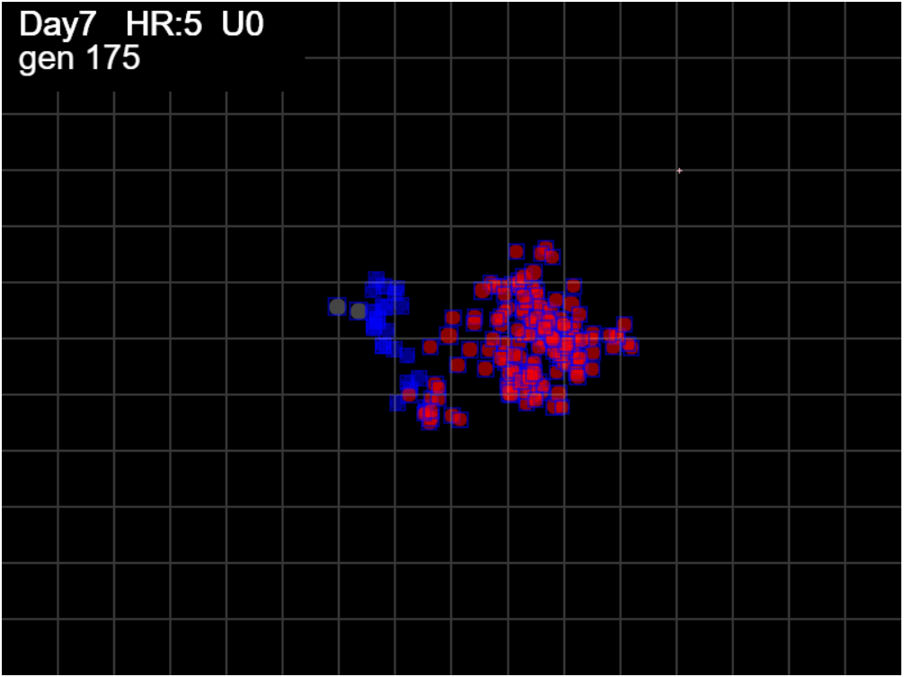
simulation.js:1633 HzR 6.78 gen 136 x 546.59 y 298.12 footp 10969 sects 23
simulation.js:1633 HzR 6.48 gen 137 x 543.35 y 307.84 footp 11070 sects 23
simulation.js:1633 HzR 6.73 gen 138 x 553.45 y 287.63 footp 11186 sects 23
simulation.js:1633 HzR 7.13 gen 139 x 524.93 y 312.59 footp 11334 sects 23
simulation.js:1633 HzR 6.20 gen 140 x 540.42 y 297.09 footp 11386 sects 23
simulation.js:1633 HzR 6.46 gen 141 x 524.28 y 300.32 footp 11423 sects 23
simulation.js:1633 HzR 7.00 gen 142 x 513.77 y 324.83 footp 11511 sects 23
simulation.js:1633 HzR 6.75 gen 143 x 500.28 y 304.60 footp 11572 sects 23
simulation.js:1633 HzR 6.46 gen 144 x 493.82 y 314.28 footp 11605 sects 23
simulation.js:1633 HzR 6.71 gen 145 x 510.60 y 331.05 footp 11663 sects 23
simulation.js:1633 HzR 6.54 gen 146 x 507.33 y 311.44 footp 11668 sects 23
simulation.js:1633 HzR 6.50 gen 147 x 497.58 y 314.69 footp 11668 sects 23
simulation.js:1633 HzR 6.70 gen 148 x 477.48 y 307.98 footp 11722 sects 23
simulation.js:1633 HzR 6.53 gen 149 x 493.80 y 304.72 footp 11743 sects 23
simulation.js:1633 HzR 6.57 gen 150 x 513.52 y 317.86 footp 11743 sects 23
simulation.js:1633 HzR 6.42 gen 151 x 500.69 y 308.24 footp 11743 sects 23
simulation.js:1633 HzR 6.52 gen 152 x 490.91 y 311.50 footp 11760 sects 23
simulation.js:1633 HzR 6.36 gen 153 x 484.54 y 292.41 footp 11772 sects 23
simulation.js:1633 HzR 6.45 gen 154 x 491.00 y 289.18 footp 11782 sects 23
simulation.js:1633 HzR 6.67 gen 155 x 484.33 y 282.51 footp 11791 sects 23
simulation.js:1633 HzR 6.27 gen 156 x 481.19 y 291.92 footp 11791 sects 23
simulation.js:1633 HzR 6.59 gen 157 x 491.07 y 301.80 footp 11791 sects 23
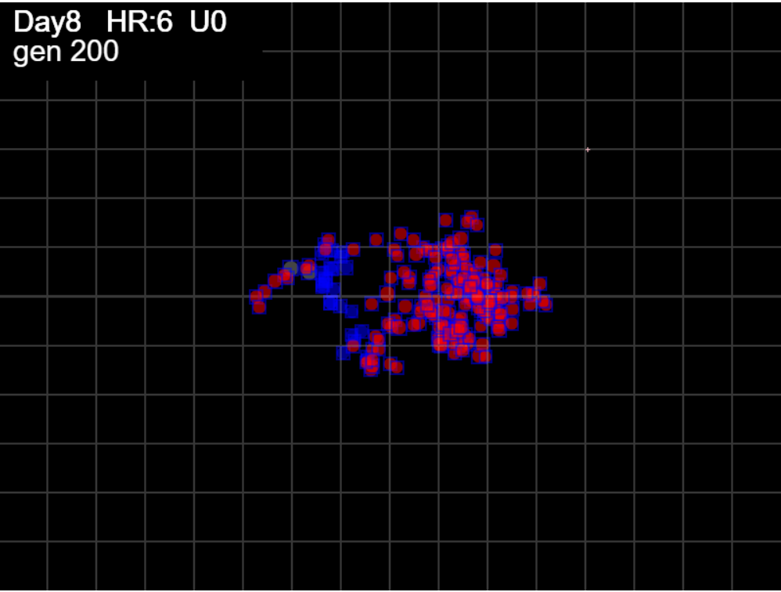
simulation.js:1633 HzR 6.87 gen 158 x 501.38 y 305.24 footp 11791 sects 23
simulation.js:1633 HzR 7.09 gen 159 x 512.01 y 333.60 footp 11843 sects 23
simulation.js:1633 HzR 6.41 gen 160 x 524.84 y 327.19 footp 11948 sects 23
simulation.js:1633 HzR 6.41 gen 161 x 515.22 y 301.54 footp 11969 sects 23
simulation.js:1633 HzR 6.66 gen 162 x 488.59 y 298.22 footp 11969 sects 23
simulation.js:1633 HzR 6.68 gen 163 x 475.23 y 281.51 footp 11973 sects 23
simulation.js:1633 HzR 6.14 gen 164 x 469.09 y 296.86 footp 11980 sects 23
simulation.js:1633 HzR 6.76 gen 165 x 489.37 y 300.24 footp 11980 sects 23
simulation.js:1633 HzR 6.33 gen 166 x 486.21 y 284.41 footp 11980 sects 23
simulation.js:1633 HzR 6.42 gen 167 x 499.05 y 287.62 footp 11983 sects 23
simulation.js:1633 HzR 6.70 gen 168 x 482.30 y 290.97 footp 11983 sects 23
simulation.js:1633 HzR 6.74 gen 169 x 455.35 y 314.55 footp 11989 sects 23
simulation.js:1633 HzR 6.37 gen 170 x 458.54 y 292.24 footp 12049 sects 23
simulation.js:1633 HzR 6.15 gen 171 x 440.10 y 283.02 footp 12077 sects 23
simulation.js:1633 HzR 6.71 gen 172 x 419.96 y 286.37 footp 12144 sects 23
simulation.js:1633 HzR 7.41 gen 173 x 397.73 y 297.49 footp 12321 sects 23
simulation.js:1633 HzR 6.39 gen 174 x 400.93 y 281.51 footp 12453 sects 23
simulation.js:1633 HzR 6.47 gen 175 x 381.51 y 307.39 footp 12586 sects 23
simulation.js:1633 HzR 6.74 gen 176 x 401.75 y 331.00 footp 12676 sects 23
simulation.js:1633 HzR 6.74 gen 177 x 398.38 y 327.63 footp 12716 sects 23
simulation.js:1633 HzR 7.34 gen 178 x 409.39 y 331.30 footp 12813 sects 23
simulation.js:1633 HzR 6.35 gen 179 x 431.61 y 315.42 footp 12848 sects 23
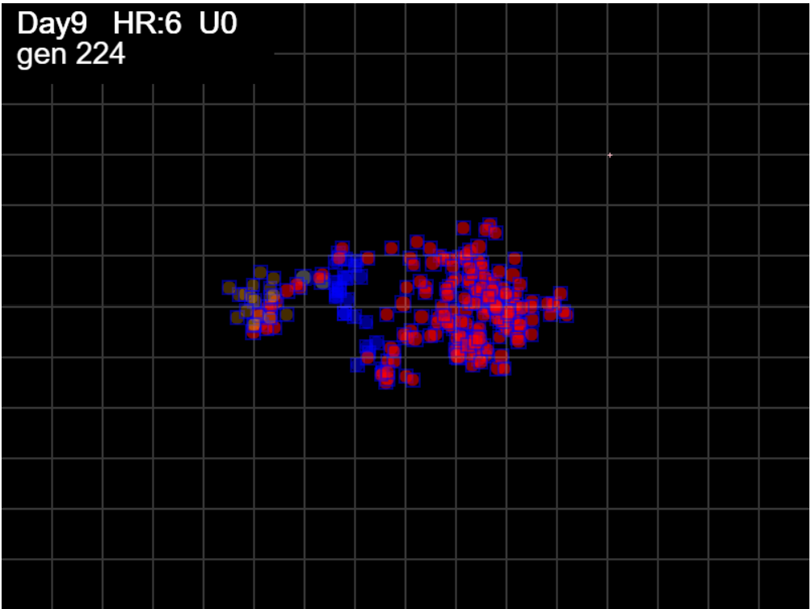
simulation.js:1633 HzR 6.72 gen 180 x 424.89 y 328.87 footp 12905 sects 23
simulation.js:1633 HzR 6.69 gen 181 x 441.61 y 315.49 footp 12905 sects 23
simulation.js:1633 HzR 6.64 gen 182 x 438.29 y 308.85 footp 12905 sects 23
simulation.js:1633 HzR 6.55 gen 183 x 441.57 y 289.22 footp 12917 sects 23
simulation.js:1633 HzR 6.70 gen 184 x 414.78 y 275.82 footp 13004 sects 23
simulation.js:1633 HzR 6.59 gen 185 x 404.89 y 252.75 footp 13137 sects 23
simulation.js:1633 HzR 6.20 gen 186 x 407.99 y 258.95 footp 13207 sects 23
simulation.js:1633 HzR 6.46 gen 187 x 424.14 y 242.81 footp 13328 sects 23
simulation.js:1633 HzR 6.46 gen 188 x 411.21 y 236.34 footp 13461 sects 23
simulation.js:1633 HzR 6.32 gen 189 x 385.95 y 242.66 footp 13594 sects 23
simulation.js:1633 HzR 6.55 gen 190 x 363.03 y 252.48 footp 13711 sects 23
simulation.js:1633 HzR 6.43 gen 191 x 337.32 y 242.84 footp 13781 sects 23
simulation.js:1633 HzR 6.48 gen 192 x 334.08 y 252.55 footp 13781 sects 23
simulation.js:1633 HzR 6.57 gen 193 x 317.65 y 268.98 footp 13842 sects 23
simulation.js:1633 HzR 6.19 gen 194 x 314.55 y 272.08 footp 13862 sects 23
simulation.js:1633 HzR 6.47 gen 195 x 295.15 y 281.78 footp 13960 sects 23
simulation.js:1633 HzR 6.33 gen 196 x 291.99 y 278.61 footp 13996 sects 23
simulation.js:1633 HzR 6.61 gen 197 x 272.17 y 295.13 footp 14129 sects 24
simulation.js:1633 HzR 6.94 gen 198 x 282.58 y 284.71 footp 14251 sects 24
simulation.js:1633 HzR 6.38 gen 199 x 263.45 y 300.66 footp 14359 sects 24
simulation.js:1633 HzR 6.62 gen 200 x 266.76 y 310.59 footp 14468 sects 24
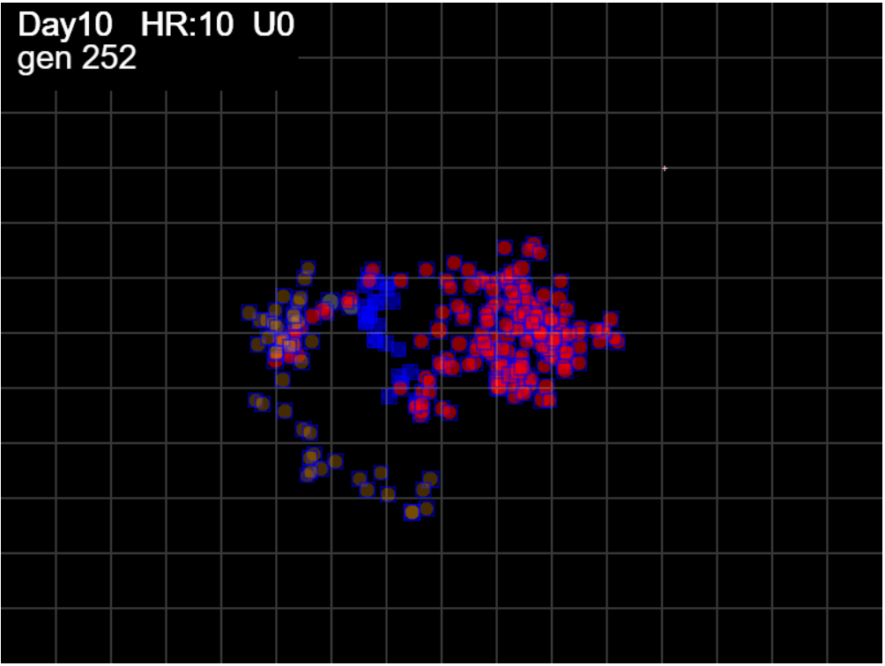
simulation.js:1633 HzR 6.49 gen 201 x 257.02 y 317.09 footp 14582 sects 24
simulation.js:1633 HzR 6.55 gen 202 x 270.11 y 320.36 footp 14693 sects 24
simulation.js:1633 HzR 6.67 gen 203 x 253.43 y 307.01 footp 14795 sects 25
simulation.js:1633 HzR 6.66 gen 204 x 266.74 y 300.35 footp 14800 sects 25
simulation.js:1633 HzR 6.98 gen 205 x 249.29 y 324.78 footp 14930 sects 25
simulation.js:1633 HzR 6.46 gen 206 x 262.22 y 321.55 footp 14959 sects 25
simulation.js:1633 HzR 6.55 gen 207 x 249.11 y 318.27 footp 14994 sects 25
simulation.js:1633 HzR 6.38 gen 208 x 255.49 y 308.70 footp 14994 sects 25
simulation.js:1633 HzR 6.71 gen 209 x 235.36 y 288.58 footp 15127 sects 26
simulation.js:1633 HzR 6.66 gen 210 x 225.37 y 281.92 footp 15245 sects 26
simulation.js:1633 HzR 6.31 gen 211 x 241.15 y 288.23 footp 15307 sects 26
simulation.js:1633 HzR 6.34 gen 212 x 247.49 y 291.40 footp 15384 sects 26
simulation.js:1633 HzR 6.51 gen 213 x 250.75 y 294.65 footp 15431 sects 26
simulation.js:1633 HzR 6.12 gen 214 x 266.05 y 282.41 footp 15544 sects 26
simulation.js:1633 HzR 6.49 gen 215 x 269.29 y 272.68 footp 15655 sects 26
simulation.js:1633 HzR 6.32 gen 216 x 266.13 y 291.64 footp 15691 sects 26
simulation.js:1633 HzR 6.41 gen 217 x 282.17 y 307.67 footp 15822 sects 26
simulation.js:1633 HzR 6.52 gen 218 x 265.88 y 310.93 footp 15822 sects 26
simulation.js:1633 HzR 6.33 gen 219 x 250.05 y 317.26 footp 15824 sects 26
simulation.js:1633 HzR 6.71 gen 220 x 233.28 y 310.55 footp 15957 sects 26
simulation.js:1633 HzR 6.34 gen 221 x 242.79 y 304.21 footp 16040 sects 26
simulation.js:1633 HzR 6.21 gen 222 x 249.00 y 279.38 footp 16141 sects 26
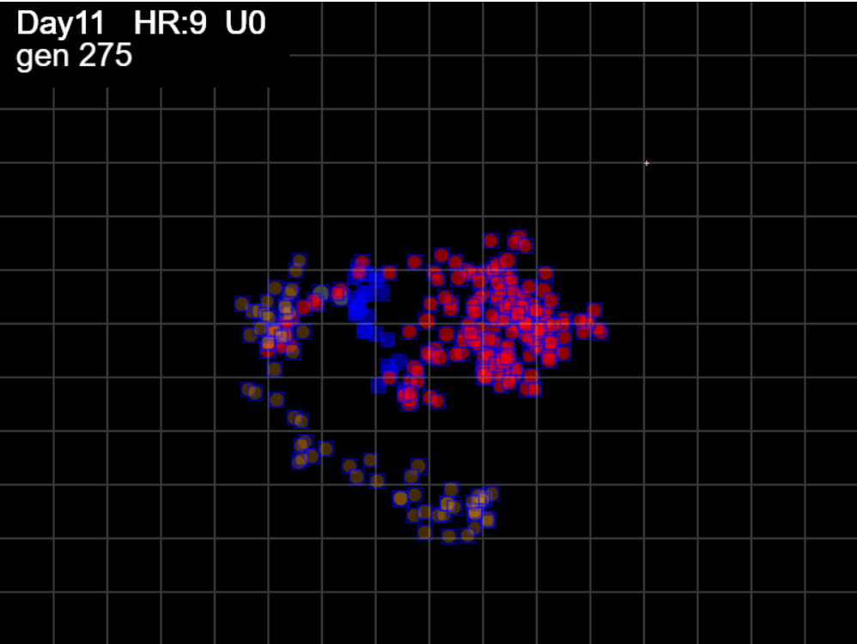
simulation.js:1633 HzR 6.75 gen 223 x 269.26 y 289.51 footp 16157 sects 26
simulation.js:1633 HzR 6.47 gen 224 x 256.31 y 266.86 footp 16290 sects 26
simulation.js:1633 HzR 6.50 gen 225 x 275.82 y 250.61 footp 16423 sects 27
simulation.js:1633 HzR 6.11 gen 226 x 278.87 y 241.45 footp 16515 sects 27
simulation.js:1633 HzR 6.74 gen 227 x 272.13 y 268.40 footp 16570 sects 27
simulation.js:1633 HzR 6.41 gen 228 x 265.73 y 284.42 footp 16580 sects 27
simulation.js:1633 HzR 6.25 gen 229 x 256.36 y 306.28 footp 16580 sects 27
simulation.js:1633 HzR 6.15 gen 230 x 262.51 y 312.44 footp 16580 sects 27
simulation.js:1633 HzR 6.76 gen 231 x 272.65 y 325.95 footp 16662 sects 27
simulation.js:1633 HzR 6.70 gen 232 x 255.91 y 342.69 footp 16795 sects 27
simulation.js:1633 HzR 6.18 gen 233 x 231.18 y 361.24 footp 16908 sects 28
simulation.js:1633 HzR 6.49 gen 234 x 237.67 y 364.48 footp 16998 sects 28
simulation.js:1633 HzR 6.75 gen 235 x 257.91 y 371.23 footp 17131 sects 29
simulation.js:1633 HzR 6.57 gen 236 x 274.35 y 387.67 footp 17264 sects 29
simulation.js:1633 HzR 6.39 gen 237 x 280.74 y 390.86 footp 17342 sects 29
simulation.js:1633 HzR 6.47 gen 238 x 283.97 y 410.28 footp 17474 sects 30
simulation.js:1633 HzR 6.61 gen 239 x 280.67 y 413.58 footp 17536 sects 30
simulation.js:1633 HzR 6.52 gen 240 x 290.46 y 423.37 footp 17662 sects 30
simulation.js:1633 HzR 6.17 gen 241 x 278.11 y 429.54 footp 17775 sects 30
simulation.js:1633 HzR 6.20 gen 242 x 281.21 y 426.44 footp 17801 sects 30
simulation.js:1633 HzR 6.40 gen 243 x 303.61 y 416.84 footp 17934 sects 31
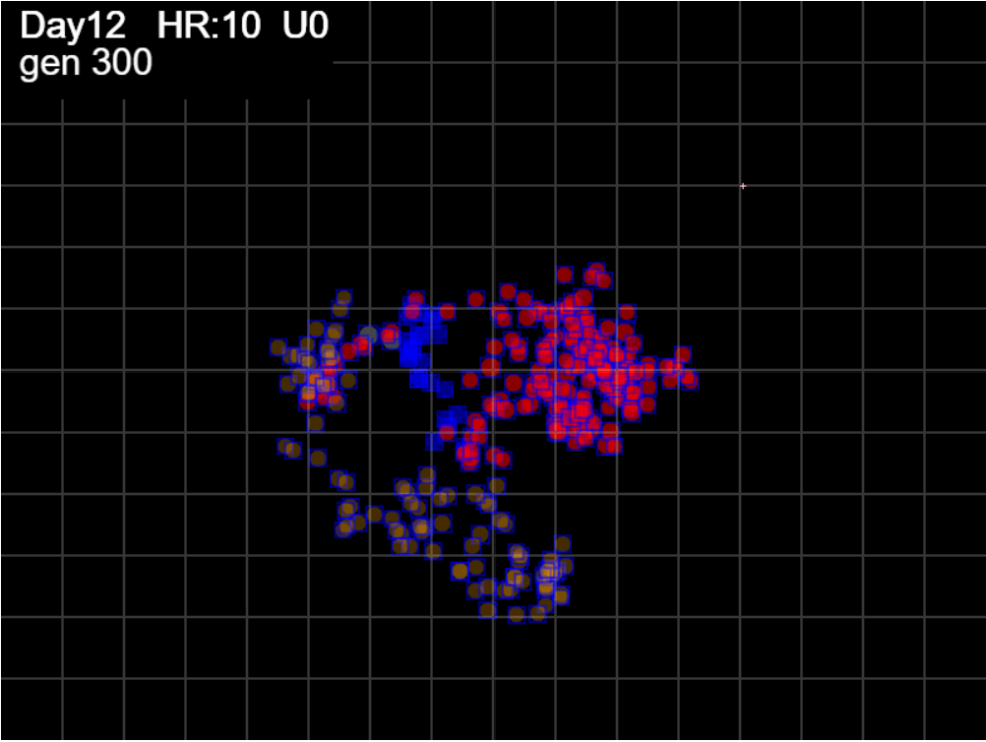
simulation.js:1633 HzR 6.30 gen 244 x 325.66 y 432.59 footp 18066 sects 31
simulation.js:1633 HzR 6.70 gen 245 x 332.36 y 442.64 footp 18185 sects 31
simulation.js:1633 HzR 6.23 gen 246 x 344.82 y 427.07 footp 18298 sects 32
simulation.js:1633 HzR 6.59 gen 247 x 351.40 y 446.83 footp 18431 sects 34
simulation.js:1633 HzR 6.37 gen 248 x 373.71 y 462.76 footp 18564 sects 34
simulation.js:1633 HzR 6.29 gen 249 x 386.28 y 459.62 footp 18696 sects 34
simulation.js:1633 HzR 6.75 gen 250 x 389.66 y 432.61 footp 18850 sects 34
simulation.js:1633 HzR 6.51 gen 251 x 383.15 y 442.38 footp 18961 sects 34
simulation.js:1633 HzR 6.75 gen 252 x 373.02 y 462.63 footp 18982 sects 34
simulation.js:1633 HzR 6.42 gen 253 x 385.85 y 478.68 footp 19115 sects 34
simulation.js:1633 HzR 6.56 gen 254 x 395.69 y 475.40 footp 19224 sects 35
simulation.js:1633 HzR 6.42 gen 255 x 408.53 y 478.61 footp 19357 sects 35
simulation.js:1633 HzR 6.45 gen 256 x 395.64 y 494.72 footp 19490 sects 37
simulation.js:1633 HzR 6.43 gen 257 x 418.16 y 497.94 footp 19622 sects 37
simulation.js:1633 HzR 6.66 gen 258 x 441.45 y 474.65 footp 19755 sects 37
simulation.js:1633 HzR 6.58 gen 259 x 454.61 y 481.23 footp 19888 sects 38
simulation.js:1633 HzR 6.17 gen 260 x 442.28 y 490.48 footp 20001 sects 38
simulation.js:1633 HzR 6.20 gen 261 x 454.68 y 484.28 footp 20020 sects 38
simulation.js:1633 HzR 6.39 gen 262 x 451.48 y 461.92 footp 20150 sects 38
simulation.js:1633 HzR 6.65 gen 263 x 458.13 y 458.59 footp 20233 sects 38
simulation.js:1633 HzR 6.33 gen 264 x 442.32 y 474.41 footp 20238 sects 38
simulation.js:1633 HzR 6.45 gen 265 x 435.87 y 496.99 footp 20347 sects 38
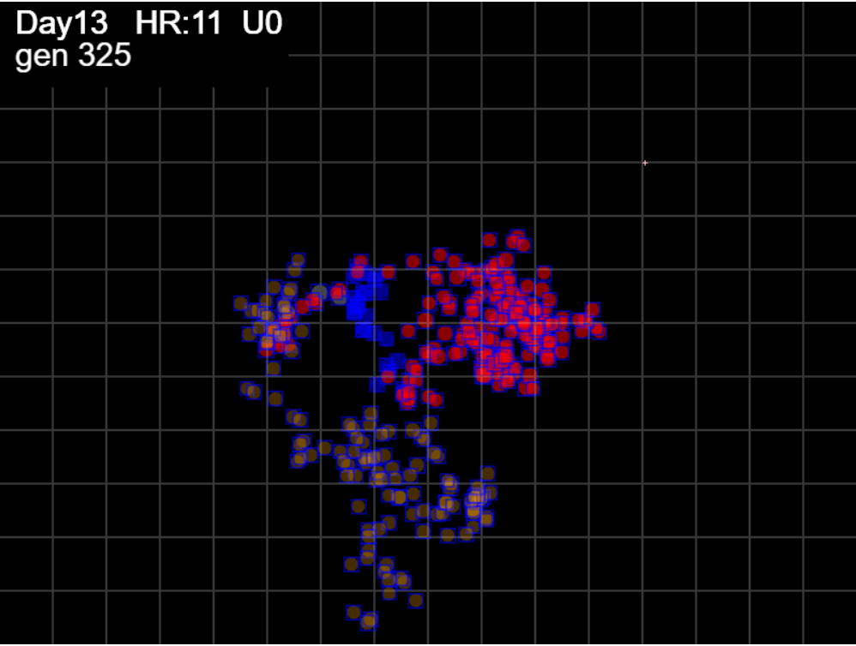
simulation.js:1633 HzR 6.38 gen 266 x 413.54 y 477.85 footp 20405 sects 38
simulation.js:1633 HzR 6.70 gen 267 x 416.90 y 467.80 footp 20514 sects 38
simulation.js:1633 HzR 6.67 gen 268 x 420.23 y 454.46 footp 20647 sects 39
simulation.js:1633 HzR 6.60 gen 269 x 416.93 y 467.67 footp 20647 sects 39
simulation.js:1633 HzR 6.29 gen 270 x 423.22 y 470.81 footp 20727 sects 39
simulation.js:1633 HzR 6.48 gen 271 x 445.89 y 467.57 footp 20772 sects 39
simulation.js:1633 HzR 6.54 gen 272 x 449.16 y 464.30 footp 20783 sects 39
simulation.js:1633 HzR 6.48 gen 273 x 442.68 y 477.27 footp 20811 sects 39
simulation.js:1633 HzR 6.76 gen 274 x 446.06 y 460.36 footp 20849 sects 39
simulation.js:1633 HzR 6.20 gen 275 x 439.86 y 466.56 footp 20884 sects 39
simulation.js:1633 HzR 6.39 gen 276 x 446.25 y 453.78 footp 20952 sects 40
simulation.js:1633 HzR 6.48 gen 277 x 455.98 y 440.81 footp 21085 sects 40
simulation.js:1633 HzR 6.21 gen 278 x 443.57 y 462.53 footp 21091 sects 40
simulation.js:1633 HzR 6.26 gen 279 x 421.67 y 450.02 footp 21139 sects 40
simulation.js:1633 HzR 6.12 gen 280 x 418.61 y 446.96 footp 21185 sects 40
simulation.js:1633 HzR 6.34 gen 281 x 409.11 y 424.78 footp 21317 sects 40
simulation.js:1633 HzR 6.69 gen 282 x 405.76 y 421.43 footp 21379 sects 40
simulation.js:1633 HzR 6.21 gen 283 x 393.34 y 405.91 footp 21492 sects 40
simulation.js:1633 HzR 6.18 gen 284 x 396.43 y 409.00 footp 21542 sects 40
simulation.js:1633 HzR 6.27 gen 285 x 402.70 y 393.33 footp 21675 sects 40
simulation.js:1633 HzR 6.77 gen 286 x 385.77 y 400.10 footp 21796 sects 40
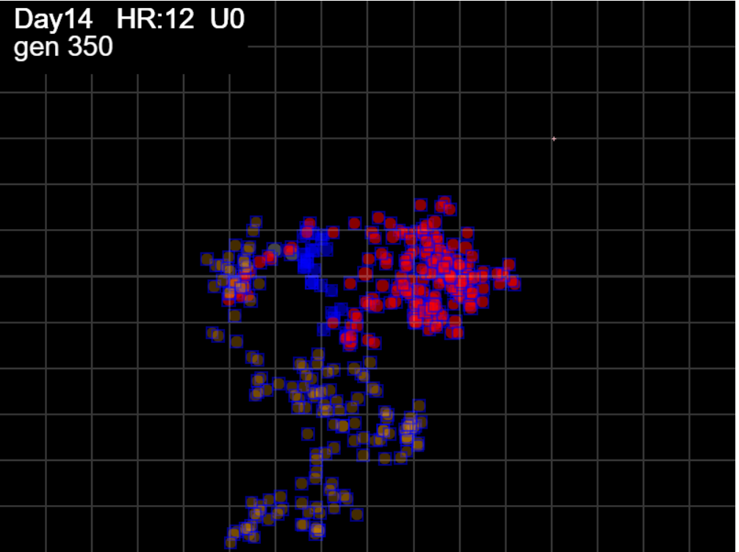
simulation.js:1633 HzR 6.78 gen 287 x 358.66 y 423.82 footp 21950 sects 40
simulation.js:1633 HzR 6.52 gen 288 x 342.37 y 430.34 footp 22009 sects 40
simulation.js:1633 HzR 6.27 gen 289 x 339.24 y 411.52 footp 22142 sects 40
simulation.js:1633 HzR 6.61 gen 290 x 345.84 y 395.00 footp 22275 sects 40
simulation.js:1633 HzR 6.29 gen 291 x 330.13 y 398.14 footp 22407 sects 40
simulation.js:1633 HzR 6.46 gen 292 x 326.90 y 394.91 footp 22477 sects 40
simulation.js:1633 HzR 6.66 gen 293 x 346.88 y 384.92 footp 22581 sects 40
simulation.js:1633 HzR 6.48 gen 294 x 363.08 y 401.12 footp 22714 sects 40
simulation.js:1633 HzR 6.16 gen 295 x 356.92 y 404.20 footp 22777 sects 40
simulation.js:1633 HzR 6.63 gen 296 x 333.70 y 407.52 footp 22829 sects 40
simulation.js:1633 HzR 6.23 gen 297 x 318.14 y 419.97 footp 22942 sects 40
simulation.js:1633 HzR 6.41 gen 298 x 324.55 y 442.40 footp 23007 sects 40
simulation.js:1633 HzR 6.51 gen 299 x 340.82 y 426.13 footp 23044 sects 40
simulation.js:1633 HzR 6.41 gen 300 x 321.58 y 429.34 footp 23084 sects 40
simulation.js:1633 HzR 6.18 gen 301 x 330.85 y 420.07 footp 23164 sects 40
simulation.js:1633 HzR 6.41 gen 302 x 353.30 y 439.31 footp 23238 sects 40
simulation.js:1633 HzR 6.74 gen 303 x 366.77 y 435.94 footp 23362 sects 40
simulation.js:1633 HzR 6.23 gen 304 x 363.66 y 460.84 footp 23449 sects 40
simulation.js:1633 HzR 6.11 gen 305 x 369.77 y 445.56 footp 23541 sects 40
simulation.js:1633 HzR 6.57 gen 306 x 350.06 y 425.85 footp 23563 sects 40
simulation.js:1633 HzR 6.74 gen 307 x 356.79 y 446.06 footp 23596 sects 40
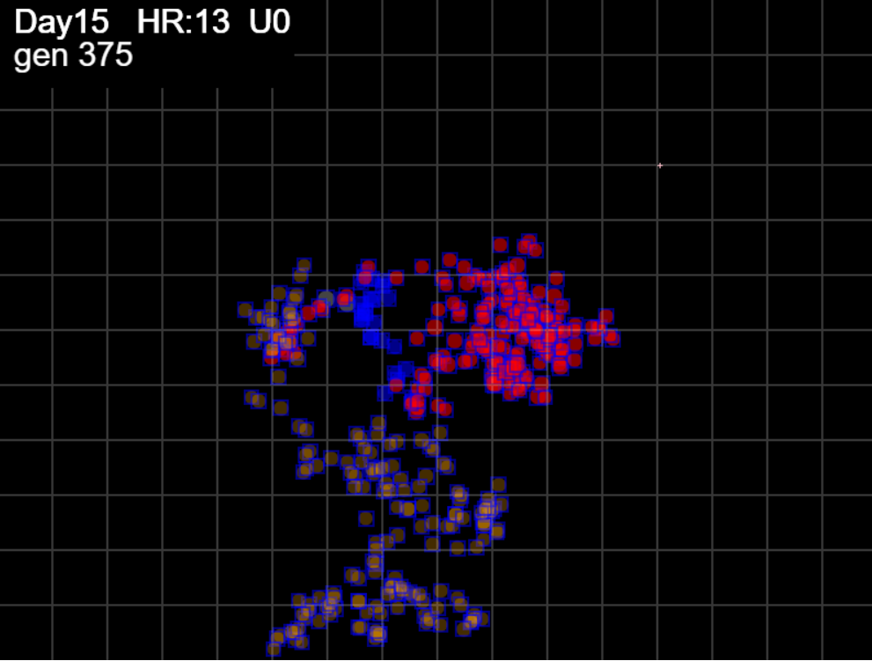
simulation.js:1633 HzR 6.27 gen 308 x 334.83 y 471.15 footp 23729 sects 40
simulation.js:1633 HzR 6.26 gen 309 x 344.22 y 493.06 footp 23862 sects 41
simulation.js:1633 HzR 6.59 gen 310 x 363.98 y 486.47 footp 23995 sects 41
simulation.js:1633 HzR 6.42 gen 311 x 354.35 y 492.90 footp 24077 sects 41
simulation.js:1633 HzR 6.44 gen 312 x 344.69 y 499.34 footp 24138 sects 41
simulation.js:1633 HzR 6.49 gen 313 x 328.48 y 525.28 footp 24271 sects 41
simulation.js:1633 HzR 6.52 gen 314 x 344.77 y 512.25 footp 24404 sects 41
simulation.js:1633 HzR 6.73 gen 315 x 361.59 y 525.70 footp 24537 sects 41
simulation.js:1633 HzR 6.58 gen 316 x 378.03 y 542.14 footp 24669 sects 41
simulation.js:1633 HzR 6.71 gen 317 x 374.67 y 538.79 footp 24731 sects 41
simulation.js:1633 HzR 6.17 gen 318 x 359.25 y 532.62 footp 24797 sects 41
simulation.js:1633 HzR 6.38 gen 319 x 343.29 y 519.85 footp 24874 sects 41
simulation.js:1633 HzR 6.68 gen 320 x 363.33 y 539.88 footp 24956 sects 41
simulation.js:1633 HzR 6.36 gen 321 x 388.76 y 558.96 footp 25089 sects 42
simulation.js:1633 HzR 6.25 gen 322 x 363.76 y 552.71 footp 25202 sects 42
simulation.js:1633 HzR 6.74 gen 323 x 346.92 y 576.29 footp 25335 sects 43
simulation.js:1633 HzR 6.75 gen 324 x 343.54 y 579.67 footp 25402 sects 43
simulation.js:1633 HzR 6.37 gen 325 x 330.80 y 570.12 footp 25535 sects 43
simulation.js:1633 HzR 6.63 gen 326 x 347.38 y 576.75 footp 25545 sects 43
simulation.js:1633 HzR 6.33 gen 327 x 344.22 y 573.58 footp 25580 sects 43
simulation.js:1633 HzR 6.23 gen 328 x 328.64 y 570.47 footp 25599 sects 43
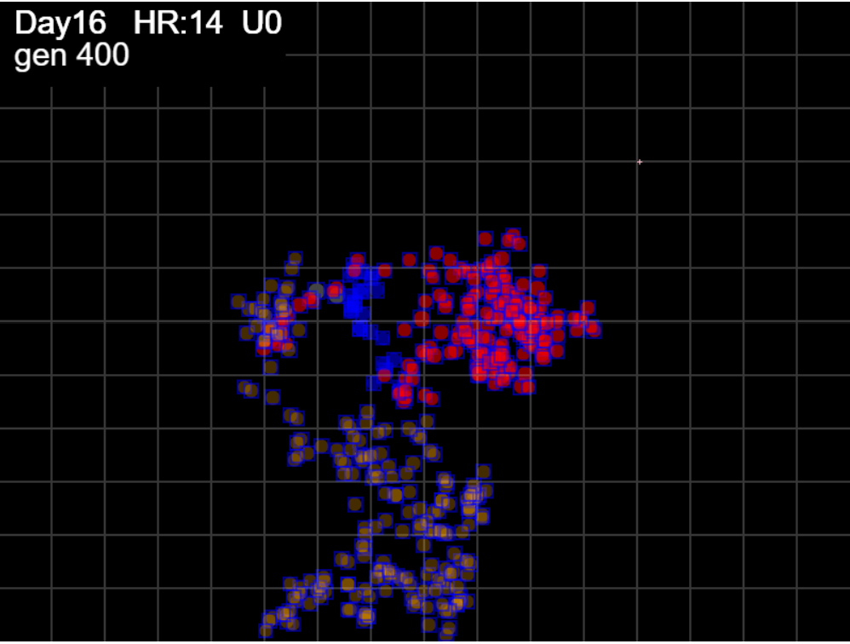
simulation.js:1633 HzR 6.49 gen 329 x 348.11 y 557.49 footp 25732 sects 43
simulation.js:1633 HzR 6.42 gen 330 x 344.90 y 551.07 footp 25815 sects 43
simulation.js:1633 HzR 6.14 gen 331 x 335.69 y 557.21 footp 25906 sects 43
simulation.js:1633 HzR 6.73 gen 332 x 328.96 y 547.12 footp 26031 sects 43
simulation.js:1633 HzR 6.26 gen 333 x 307.06 y 553.38 footp 26164 sects 43
simulation.js:1633 HzR 6.71 gen 334 x 283.59 y 550.02 footp 26297 sects 45
simulation.js:1633 HzR 6.17 gen 335 x 280.51 y 562.37 footp 26410 sects 45
simulation.js:1633 HzR 6.30 gen 336 x 271.06 y 581.26 footp 26543 sects 45
simulation.js:1633 HzR 6.63 gen 337 x 257.81 y 577.94 footp 26675 sects 45
simulation.js:1633 HzR 6.32 gen 338 x 270.45 y 574.78 footp 26751 sects 45
simulation.js:1633 HzR 6.53 gen 339 x 273.71 y 571.52 footp 26789 sects 45
simulation.js:1633 HzR 6.13 gen 340 x 276.78 y 583.78 footp 26847 sects 45
simulation.js:1633 HzR 6.36 gen 341 x 254.51 y 580.60 footp 26901 sects 46
simulation.js:1633 HzR 6.16 gen 342 x 251.43 y 589.84 footp 26993 sects 46
simulation.js:1633 HzR 6.31 gen 343 x 267.21 y 574.06 footp 27000 sects 46
simulation.js:1633 HzR 6.35 gen 344 x 292.61 y 564.53 footp 27133 sects 46
simulation.js:1633 HzR 6.43 gen 345 x 302.26 y 558.10 footp 27199 sects 46
simulation.js:1633 HzR 6.24 gen 346 x 283.54 y 554.98 footp 27204 sects 46
simulation.js:1633 HzR 6.18 gen 347 x 274.27 y 545.71 footp 27296 sects 46
simulation.js:1633 HzR 6.38 gen 348 x 277.46 y 558.47 footp 27336 sects 46
simulation.js:1633 HzR 6.18 gen 349 x 292.91 y 543.02 footp 27435 sects 46
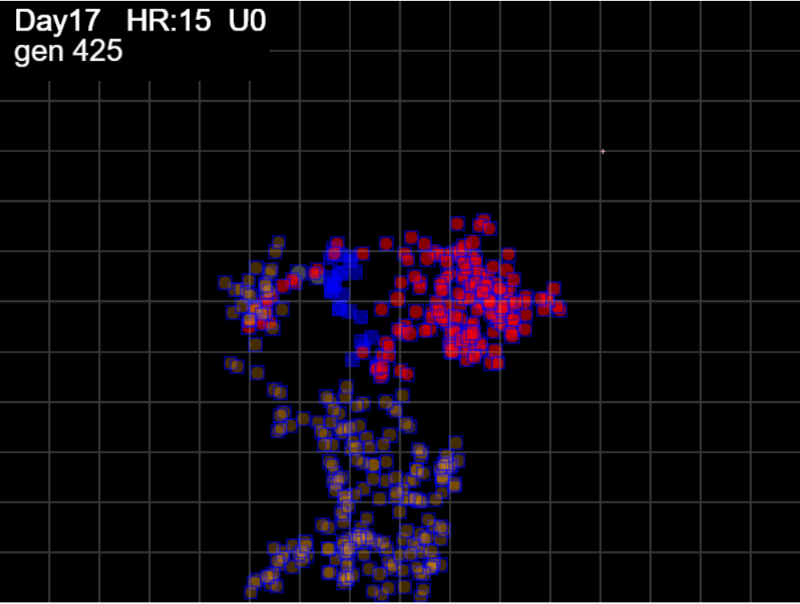
simulation.js:1633 HzR 6.35 gen 350 x 305.60 y 539.84 footp 27567 sects 46
simulation.js:1633 HzR 6.23 gen 351 x 299.37 y 552.31 footp 27608 sects 46
simulation.js:1633 HzR 6.12 gen 352 x 302.43 y 549.25 footp 27611 sects 46
simulation.js:1633 HzR 6.42 gen 353 x 328.10 y 546.04 footp 27611 sects 46
simulation.js:1633 HzR 6.28 gen 354 x 306.13 y 542.90 footp 27622 sects 46
simulation.js:1633 HzR 6.66 gen 355 x 322.78 y 522.91 footp 27699 sects 46
simulation.js:1633 HzR 6.32 gen 356 x 341.74 y 510.27 footp 27727 sects 46
simulation.js:1633 HzR 6.66 gen 357 x 358.40 y 533.59 footp 27743 sects 46
simulation.js:1633 HzR 6.29 gen 358 x 367.83 y 536.74 footp 27757 sects 46
simulation.js:1633 HzR 6.41 gen 359 x 355.02 y 539.94 footp 27812 sects 46
simulation.js:1633 HzR 6.22 gen 360 x 367.46 y 533.72 footp 27824 sects 46
simulation.js:1633 HzR 6.44 gen 361 x 386.78 y 546.59 footp 27929 sects 46
simulation.js:1633 HzR 6.47 gen 362 x 390.01 y 566.01 footp 28010 sects 46
simulation.js:1633 HzR 6.78 gen 363 x 393.40 y 562.62 footp 28060 sects 47
simulation.js:1633 HzR 6.41 gen 364 x 383.78 y 540.18 footp 28093 sects 47
simulation.js:1633 HzR 6.42 gen 365 x 403.03 y 536.97 footp 28226 sects 47
simulation.js:1633 HzR 6.27 gen 366 x 399.89 y 552.66 footp 28339 sects 47
simulation.js:1633 HzR 6.15 gen 367 x 402.97 y 568.03 footp 28427 sects 47
simulation.js:1633 HzR 6.15 gen 368 x 418.34 y 543.44 footp 28541 sects 47
simulation.js:1633 HzR 6.60 gen 369 x 421.63 y 550.04 footp 28631 sects 47
simulation.js:1633 HzR 6.28 gen 370 x 440.47 y 562.60 footp 28764 sects 47
simulation.js:1633 HzR 6.75 gen 371 x 433.72 y 559.22 footp 28851 sects 47
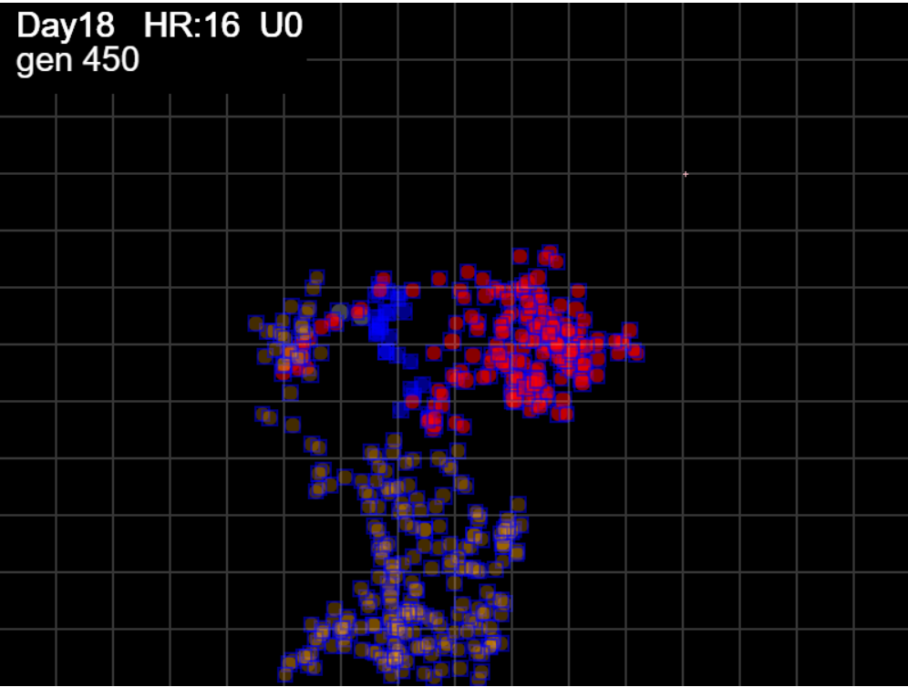
simulation.js:1633 HzR 6.26 gen 372 x 430.59 y 565.48 footp 28927 sects 47
simulation.js:1633 HzR 6.19 gen 373 x 433.69 y 562.39 footp 28927 sects 47
simulation.js:1633 HzR 6.11 gen 374 x 430.64 y 565.44 footp 28927 sects 47
simulation.js:1633 HzR 6.63 gen 375 x 424.00 y 572.07 footp 29027 sects 47
simulation.js:1633 HzR 6.36 gen 376 x 420.82 y 594.34 footp 29139 sects 47
simulation.js:1633 HzR 6.59 gen 377 x 404.36 y 584.46 footp 29272 sects 47
simulation.js:1633 HzR 6.35 gen 378 x 423.39 y 587.63 footp 29357 sects 47
simulation.js:1633 HzR 6.63 gen 379 x 420.08 y 571.06 footp 29404 sects 47
simulation.js:1633 HzR 6.13 gen 380 x 417.02 y 564.93 footp 29462 sects 47
simulation.js:1633 HzR 6.56 gen 381 x 413.73 y 541.95 footp 29504 sects 47
simulation.js:1633 HzR 6.62 gen 382 x 420.35 y 532.03 footp 29620 sects 47
simulation.js:1633 HzR 6.61 gen 383 x 410.43 y 551.87 footp 29686 sects 47
simulation.js:1633 HzR 6.73 gen 384 x 407.07 y 528.31 footp 29787 sects 47
simulation.js:1633 HzR 6.76 gen 385 x 427.34 y 535.07 footp 29884 sects 47
simulation.js:1633 HzR 6.78 gen 386 x 430.73 y 548.63 footp 29966 sects 47
simulation.js:1633 HzR 6.20 gen 387 x 433.83 y 523.82 footp 30068 sects 47
simulation.js:1633 HzR 6.63 gen 388 x 440.47 y 537.09 footp 30188 sects 47
simulation.js:1633 HzR 6.35 gen 389 x 443.64 y 527.57 footp 30268 sects 48
simulation.js:1633 HzR 6.67 gen 390 x 440.31 y 524.23 footp 30285 sects 48
simulation.js:1633 HzR 6.19 gen 391 x 424.84 y 536.61 footp 30285 sects 48
simulation.js:1633 HzR 6.36 gen 392 x 428.02 y 517.53 footp 30385 sects 48
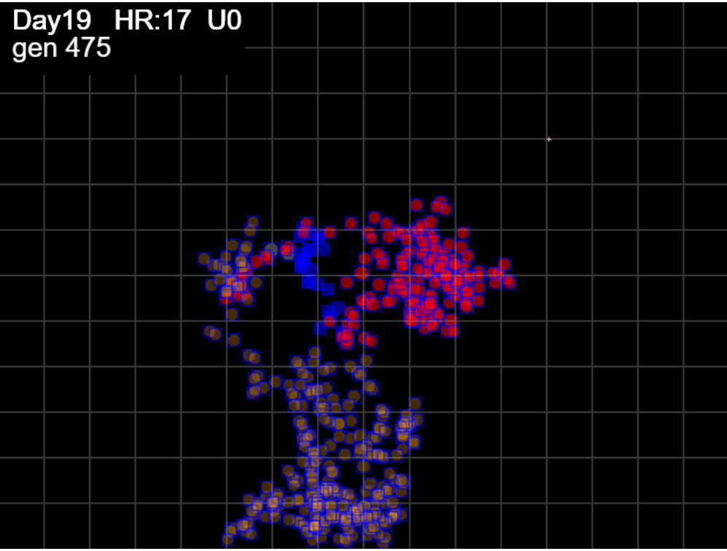
simulation.js:1633 HzR 6.13 gen 393 x 409.63 y 496.08 footp 30474 sects 48
simulation.js:1633 HzR 6.73 gen 394 x 399.54 y 509.53 footp 30607 sects 48
simulation.js:1633 HzR 6.64 gen 395 x 406.18 y 496.24 footp 30627 sects 48
simulation.js:1633 HzR 6.17 gen 396 x 421.61 y 499.33 footp 30646 sects 48
simulation.js:1633 HzR 6.34 gen 397 x 415.28 y 496.16 footp 30657 sects 48
simulation.js:1633 HzR 6.24 gen 398 x 402.80 y 486.80 footp 30708 sects 48
simulation.js:1633 HzR 6.36 gen 399 x 396.43 y 489.99 footp 30729 sects 48
simulation.js:1633 HzR 6.68 gen 400 x 379.74 y 496.66 footp 30861 sects 48
simulation.js:1633 HzR 6.58 gen 401 x 373.15 y 476.91 footp 30978 sects 48
simulation.js:1633 HzR 6.39 gen 402 x 357.18 y 457.74 footp 31047 sects 48
simulation.js:1633 HzR 6.10 gen 403 x 332.76 y 479.11 footp 31121 sects 48
simulation.js:1633 HzR 6.22 gen 404 x 335.87 y 482.22 footp 31162 sects 48
simulation.js:1633 HzR 6.40 gen 405 x 329.47 y 459.81 footp 31289 sects 48
simulation.js:1633 HzR 6.49 gen 406 x 332.72 y 463.06 footp 31318 sects 48
simulation.js:1633 HzR 6.17 gen 407 x 341.97 y 475.40 footp 31374 sects 48
simulation.js:1633 HzR 6.12 gen 408 x 338.91 y 478.46 footp 31381 sects 48
simulation.js:1633 HzR 6.39 gen 409 x 335.72 y 488.04 footp 31433 sects 48
simulation.js:1633 HzR 6.33 gen 410 x 345.22 y 494.37 footp 31435 sects 48
simulation.js:1633 HzR 6.29 gen 411 x 348.36 y 503.81 footp 31471 sects 48
simulation.js:1633 HzR 6.16 gen 412 x 366.84 y 516.12 footp 31567 sects 48
simulation.js:1633 HzR 6.72 gen 413 x 350.05 y 536.27 footp 31638 sects 48
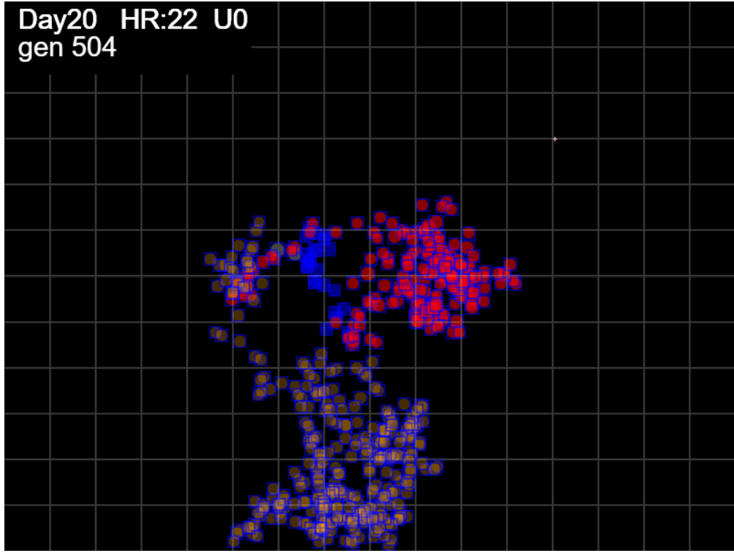
simulation.js:1633 HzR 6.69 gen 414 x 343.36 y 539.61 footp 31705 sects 48
simulation.js:1633 HzR 6.35 gen 415 x 359.24 y 536.44 footp 31705 sects 48
simulation.js:1633 HzR 6.43 gen 416 x 343.17 y 542.87 footp 31707 sects 48
simulation.js:1633 HzR 6.61 gen 417 x 346.47 y 549.48 footp 31714 sects 48
simulation.js:1633 HzR 6.31 gen 418 x 349.63 y 546.33 footp 31725 sects 48
simulation.js:1633 HzR 6.60 gen 419 x 352.93 y 572.71 footp 31789 sects 48
simulation.js:1633 HzR 6.17 gen 420 x 346.75 y 563.46 footp 31813 sects 48
simulation.js:1633 HzR 6.37 gen 421 x 369.03 y 566.64 footp 31945 sects 48
simulation.js:1633 HzR 6.34 gen 422 x 381.71 y 591.99 footp 32078 sects 48
simulation.js:1633 HzR 6.41 gen 423 x 388.12 y 585.58 footp 32182 sects 48
simulation.js:1633 HzR 6.14 gen 424 x 372.78 y 588.65 footp 32267 sects 48
simulation.js:1633 HzR 6.78 gen 425 x 379.56 y 571.71 footp 32382 sects 48
simulation.js:1633 HzR 6.28 gen 426 x 373.28 y 565.43 footp 32408 sects 48
simulation.js:1633 HzR 6.45 gen 427 x 350.71 y 568.65 footp 32417 sects 48
simulation.js:1633 HzR 6.16 gen 428 x 353.79 y 587.14 footp 32512 sects 48
simulation.js:1633 HzR 6.30 gen 429 x 344.34 y 590.29 footp 32599 sects 48
simulation.js:1633 HzR 6.19 gen 430 x 335.06 y 574.82 footp 32628 sects 48
simulation.js:1633 HzR 6.40 gen 431 x 357.45 y 578.02 footp 32683 sects 48
simulation.js:1633 HzR 6.42 gen 432 x 338.17 y 581.23 footp 32711 sects 48
simulation.js:1633 HzR 6.56 gen 433 x 318.49 y 568.11 footp 32818 sects 48
simulation.js:1633 HzR 6.13 gen 434 x 303.17 y 565.05 footp 32865 sects 48
simulation.js:1633 HzR 6.38 gen 435 x 299.98 y 549.09 footp 32865 sects 48
simulation.js:1633 HzR 6.18 gen 436 x 284.53 y 552.18 footp 32867 sects 48
simulation.js:1633 HzR 6.62 gen 437 x 294.46 y 532.32 footp 32973 sects 48
simulation.js:1633 HzR 6.62 gen 438 x 317.62 y 548.86 footp 33061 sects 48
simulation.js:1633 HzR 6.30 gen 439 x 323.92 y 529.97 footp 33122 sects 48
simulation.js:1633 HzR 6.32 gen 440 x 317.60 y 514.18 footp 33223 sects 48
simulation.js:1633 HzR 6.41 gen 441 x 333.63 y 504.57 footp 33319 sects 48
simulation.js:1633 HzR 6.67 gen 442 x 343.64 y 521.25 footp 33339 sects 48
simulation.js:1633 HzR 6.26 gen 443 x 362.42 y 508.73 footp 33441 sects 48
simulation.js:1633 HzR 6.62 gen 444 x 365.73 y 515.34 footp 33449 sects 48
simulation.js:1633 HzR 6.25 gen 445 x 343.87 y 527.84 footp 33480 sects 48
simulation.js:1633 HzR 6.37 gen 446 x 350.24 y 550.13 footp 33491 sects 48
simulation.js:1633 HzR 6.58 gen 447 x 356.82 y 553.42 footp 33514 sects 48
simulation.js:1633 HzR 6.39 gen 448 x 347.23 y 575.78 footp 33514 sects 48
simulation.js:1633 HzR 6.54 gen 449 x 366.86 y 565.97 footp 33545 sects 48
simulation.js:1633 HzR 6.49 gen 450 x 376.59 y 562.73 footp 33583 sects 48
simulation.js:1633 HzR 6.61 gen 451 x 379.90 y 589.17 footp 33591 sects 48
simulation.js:1633 HzR 6.78 gen 452 x 393.46 y 568.84 footp 33621 sects 48
simulation.js:1633 HzR 6.44 gen 453 x 383.79 y 578.51 footp 33644 sects 48
simulation.js:1633 HzR 6.32 gen 454 x 393.27 y 559.55 footp 33644 sects 48
simulation.js:1633 HzR 6.28 gen 455 x 415.25 y 540.71 footp 33645 sects 48
simulation.js:1633 HzR 6.72 gen 456 x 411.90 y 560.86 footp 33677 sects 48
simulation.js:1633 HzR 6.46 gen 457 x 408.67 y 564.09 footp 33690 sects 48
simulation.js:1633 HzR 6.44 gen 458 x 415.10 y 583.40 footp 33760 sects 48
simulation.js:1633 HzR 6.12 gen 459 x 390.62 y 558.92 footp 33760 sects 48
simulation.js:1633 HzR 6.53 gen 460 x 406.95 y 578.51 footp 33803 sects 48
simulation.js:1633 HzR 6.36 gen 461 x 410.13 y 575.33 footp 33806 sects 48
simulation.js:1633 HzR 6.33 gen 462 x 400.63 y 553.19 footp 33807 sects 48
simulation.js:1633 HzR 6.39 gen 463 x 381.46 y 565.97 footp 33807 sects 48
simulation.js:1633 HzR 6.59 gen 464 x 364.99 y 552.79 footp 33820 sects 48
simulation.js:1633 HzR 6.59 gen 465 x 358.40 y 569.27 footp 33834 sects 48
simulation.js:1633 HzR 6.18 gen 466 x 346.03 y 575.45 footp 33834 sects 48
simulation.js:1633 HzR 6.17 gen 467 x 349.12 y 553.85 footp 33834 sects 48
simulation.js:1633 HzR 6.15 gen 468 x 364.49 y 563.07 footp 33839 sects 48
simulation.js:1633 HzR 6.77 gen 469 x 388.17 y 559.69 footp 33841 sects 48
simulation.js:1633 HzR 6.19 gen 470 x 397.45 y 562.78 footp 33843 sects 48
simulation.js:1633 HzR 6.18 gen 471 x 394.36 y 565.87 footp 33843 sects 48
simulation.js:1633 HzR 6.67 gen 472 x 377.69 y 552.54 footp 33895 sects 48
simulation.js:1633 HzR 6.51 gen 473 x 380.95 y 568.82 footp 33895 sects 48
simulation.js:1633 HzR 6.23 gen 474 x 402.75 y 565.70 footp 33895 sects 48
simulation.js:1633 HzR 6.31 gen 475 x 393.29 y 556.23 footp 33897 sects 48
simulation.js:1633 HzR 6.48 gen 476 x 403.00 y 533.56 footp 33906 sects 48
simulation.js:1633 HzR 6.73 gen 477 x 399.64 y 513.37 footp 33947 sects 48
simulation.js:1633 HzR 6.30 gen 478 x 421.70 y 494.46 footp 33986 sects 48
simulation.js:1633 HzR 6.52 gen 479 x 411.92 y 481.43 footp 34009 sects 48
simulation.js:1633 HzR 6.60 gen 480 x 415.23 y 468.22 footp 34016 sects 48
simulation.js:1633 HzR 6.34 gen 481 x 424.74 y 458.71 footp 34066 sects 48
simulation.js:1633 HzR 6.35 gen 482 x 437.45 y 439.65 footp 34199 sects 48
simulation.js:1633 HzR 6.71 gen 483 x 457.59 y 443.01 footp 34233 sects 48
simulation.js:1633 HzR 6.26 gen 484 x 451.33 y 446.14 footp 34267 sects 48
simulation.js:1633 HzR 6.67 gen 485 x 424.66 y 462.80 footp 34270 sects 48
simulation.js:1633 HzR 6.30 gen 486 x 434.10 y 475.40 footp 34326 sects 48
simulation.js:1633 HzR 6.22 gen 487 x 412.33 y 497.17 footp 34326 sects 48
simulation.js:1633 HzR 6.19 gen 488 x 393.75 y 481.69 footp 34338 sects 48
simulation.js:1633 HzR 6.21 gen 489 x 384.44 y 484.80 footp 34383 sects 48
simulation.js:1633 HzR 6.39 gen 490 x 403.60 y 465.64 footp 34495 sects 48
simulation.js:1633 HzR 6.41 gen 491 x 416.42 y 481.66 footp 34525 sects 48
simulation.js:1633 HzR 6.43 gen 492 x 409.99 y 500.95 footp 34560 sects 48
simulation.js:1633 HzR 6.38 gen 493 x 425.95 y 497.76 footp 34572 sects 48
simulation.js:1633 HzR 6.78 gen 494 x 429.33 y 494.37 footp 34591 sects 48
simulation.js:1633 HzR 6.30 gen 495 x 432.49 y 481.76 footp 34645 sects 48
simulation.js:1633 HzR 6.67 gen 496 x 445.83 y 495.11 footp 34703 sects 48
simulation.js:1633 HzR 6.65 gen 497 x 442.51 y 501.76 footp 34760 sects 48
simulation.js:1633 HzR 6.11 gen 498 x 460.84 y 510.92 footp 34873 sects 48
simulation.js:1633 HzR 6.47 gen 499 x 473.78 y 507.68 footp 35006 sects 48
simulation.js:1633 HzR 6.69 gen 500 x 470.43 y 511.03 footp 35032 sects 48
simulation.js:1633 HzR 6.65 gen 501 x 443.85 y 514.35 footp 35141 sects 48
simulation.js:1633 HzR 6.59 gen 502 x 457.02 y 504.47 footp 35231 sects 48
simulation.js:1633 HzR 6.27 gen 503 x 444.49 y 510.74 footp 35239 sects 48
simulation.js:1633 HzR 6.53 gen 504 x 418.38 y 514.00 footp 35347 sects 48

